Map
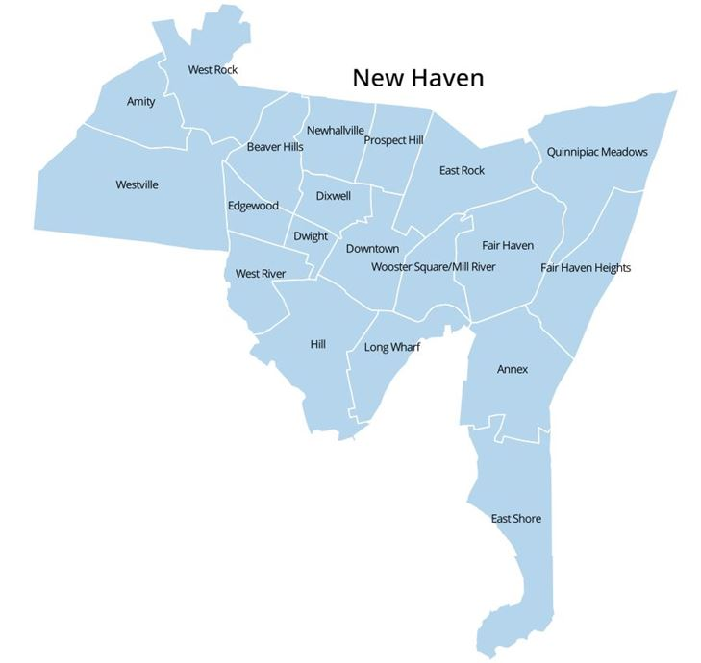
DataHaven 2016 New Haven Neighborhood Estimates
Please cite: DataHaven. (2017). DataHaven 2016 New Haven Neighborhood Estimates, based on 2016 5Y American Community Survey and official City Plan Department boundaries. New Haven, CT: DataHaven
Neighborhood-level data from the American Community Survey are subject to high margins of error. Compare and use with caution.

Neighborhoods in New Haven, Connecticut
All indicators derived from the 2016 5Y American Community Survey

